Instructions
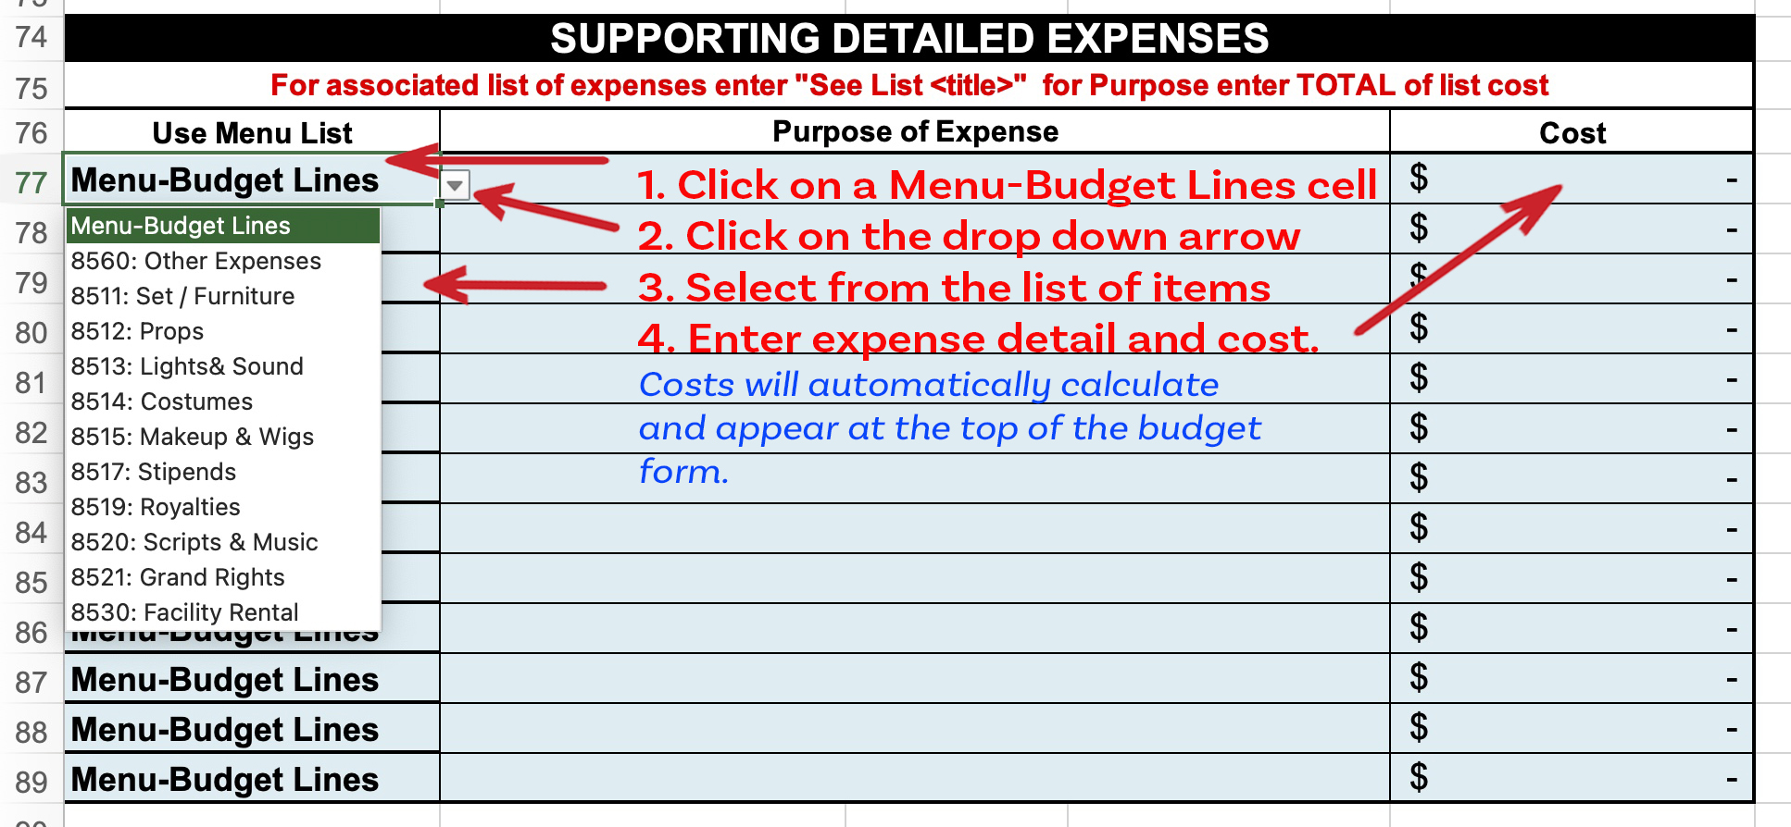
Instructions for Completing Pentacle Theatre Production Budget
The budget form can be downloaded. It has been tested to work with Excel, Google Sheets, Apple Numbers and may work with other alternative spreadsheet applications (not tested). The Form is designed to print on two pages.
The same Budget form is used for both Plays and Musicals – simply enter whatever costs are appropriate and send the completed version to the Executive Director as an email attachment.
email: Executive Director
Directors should enter costs only in the Aqua colored cells (Grey cells are locked and used only for calculations). The form is organized in the following sections:
Top – Select Play or Musical and enter Director’s name and Production name.
Productions Budget Recap – Automatically calculates and totals all expenses.These cells are locked and cannot be changed.
Technical Expenses – Director entered costs after discussion with Technical Director.
Administrative Expenses – Director entered costs after discussion with Executive Director.
Director Managed Expenses – Production costs identified by Director.
Supporting Detailed Expenses – Director entered info about other specific expenses.

